Sheet1
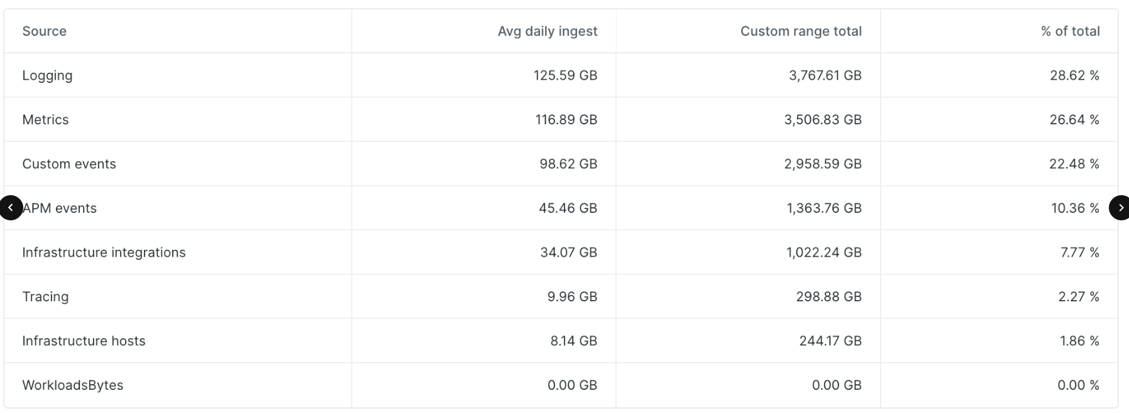
200.22
 |  |  |  |  |  | EU | US |  | Europe
 |  |  |  |  | Logging | 350.2 | 125.59 | 475.79
 | Metrics | 153 | Metrics |  | Infra Integrations | 186.73 | 34.07 | 220.8
 | Infrastructure Integrations | 221 | Metrics |  | Infra Hosts | 37.84 | 8.14 | 45.98
 | APM events | 48 | Traces |  | Metrics | 36.12 | 116.89 | 153.01
 | Logging | 475.79 | Logs |  | APM Events | 2.76 | 45.46 | 48.22
 | Tracing | 10 | Traces |  | Tracing | 0.24 | 9.96 | 10.2
 | Infrastructure Hosts | 46 | Metrics |  | Infra Processes | 0.1 | N/A | 0.1
 | Infrastrucure Processes | 0 | Metrics |  | Custom Events | 0 | N/A | 0
 | Custom events | 0 | Logs |  | Workload Bytes | N/A | 0 | 0
 | Serverless | 0 | Logs
 | Browser events | 0 | RUM

 | Logs | 475.79
 | Metrics | 420 | 419,890 | <- numseries
 | Traces | 58
 | RUM | 0
 |  |  |  |  |  |  |  |  | US

